Object Relationships
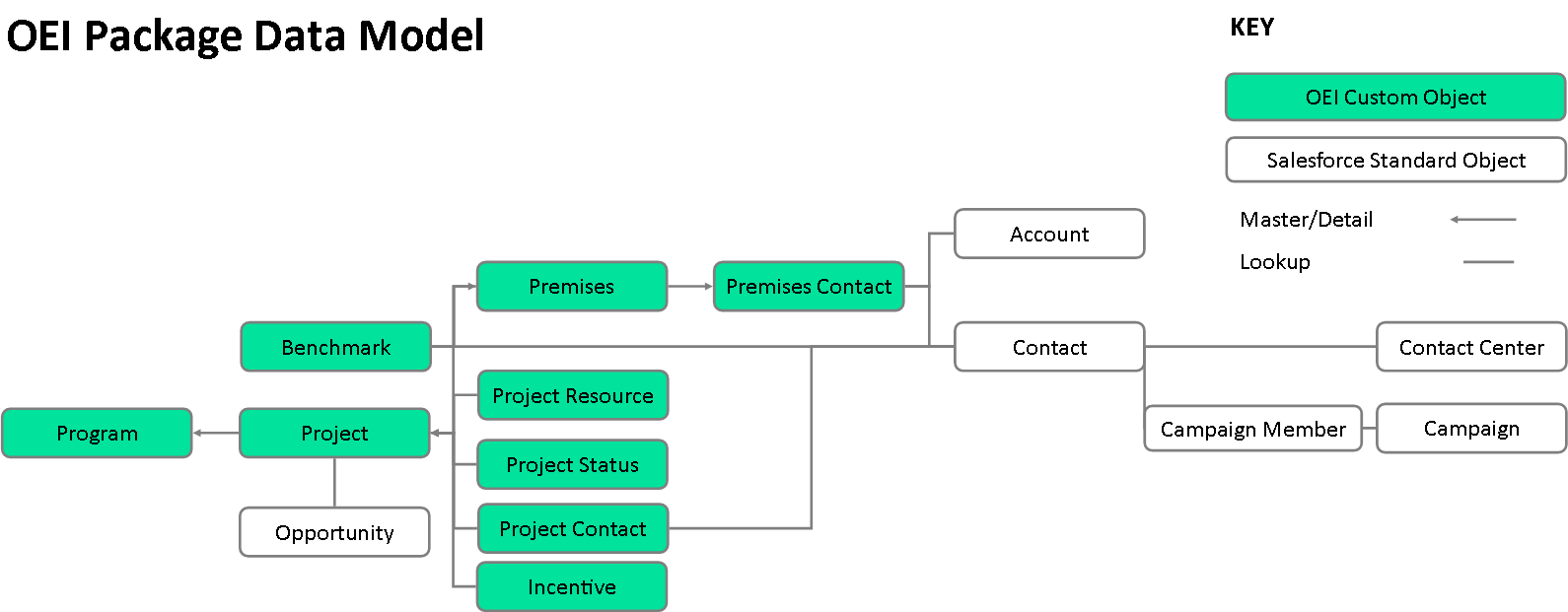
OEP Note: | Client Notes:

